Pivot Table
Avg Income Per Purchase

Average of Income | Purchased Bike
Gender | No | Yes | Grand Total
Female | $53,440 | $55,774 | $54,581
Male | $56,208 | $60,124 | $58,063
Grand Total | $54,875 | $57,963 | $56,360

Customer Commute
Count of Purchased Bike | Purchased Bike
Commute Distance | No | Yes | Grand Total
0-1 Miles | 166 | 200 | 366
1-2 Miles | 92 | 77 | 169
2-5 Miles | 67 | 95 | 162
5-10 Miles | 116 | 76 | 192
More than 10 Miles | 78 | 33 | 111
Grand Total | 519 | 481 | 1000

Customer Age Brackets
 | No | Yes
Adolescent | 71 | 39
Middle Age | 318 | 383
Old | 130 | 59
Count of Purchased Bike | Purchased Bike
Age Brackets | No | Yes | Grand Total
Adolescent | 71 | 39 | 110
Middle Age | 318 | 383 | 701
Old | 130 | 59 | 189
Grand Total | 519 | 481 | 1000

Dashboard
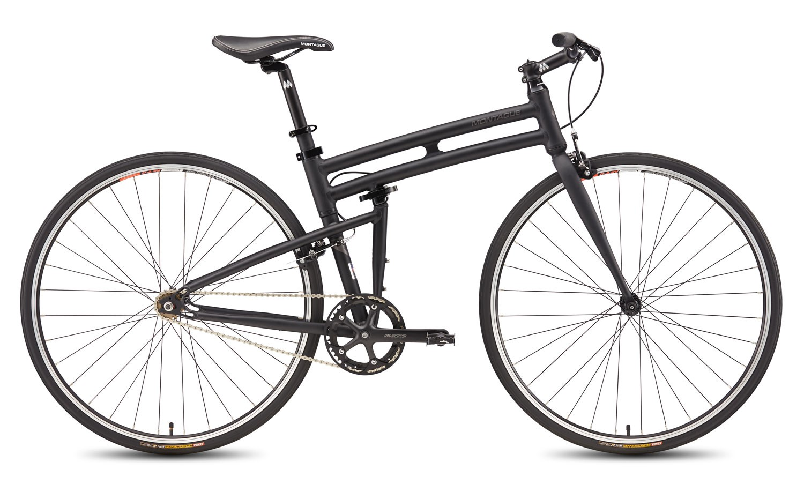 Bike Sales Dashboard
Avg Income Per Purchase
 | No | Yes
Female | $53,440 | $55,774
Male | $56,208 | $60,124
Customer Commute
 | No | Yes
0-1 Miles | 166 | 200
1-2 Miles | 92 | 77
2-5 Miles | 67 | 95
5-10 Miles | 116 | 76
More than 10 Miles | 78 | 33

Customer Age Brackets
 | No | Yes
Adolescent | 71 | 39
Middle Age | 318 | 383
Old | 130 | 59

